Set 1
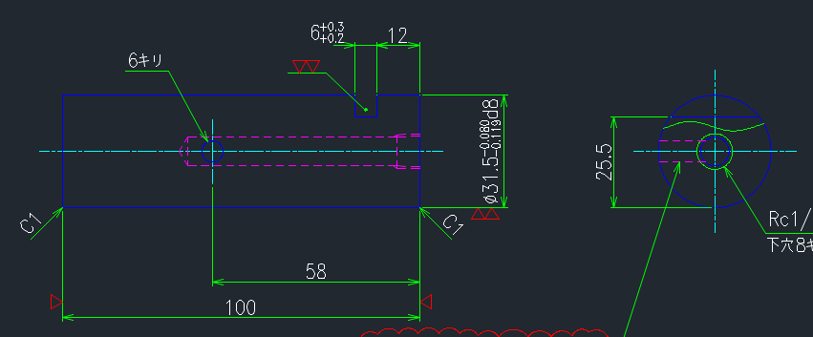
Note: Please apply the following comments to the other parts/sets, thank you.

FH2A114N01
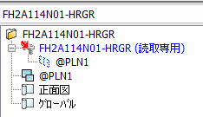
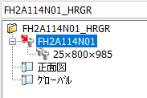

Your tree view should look like this.

File Name: use underscore
Always add 3D Part Name

Drawing Name: use DWG No. only

Every plane used should be deleted afterwards

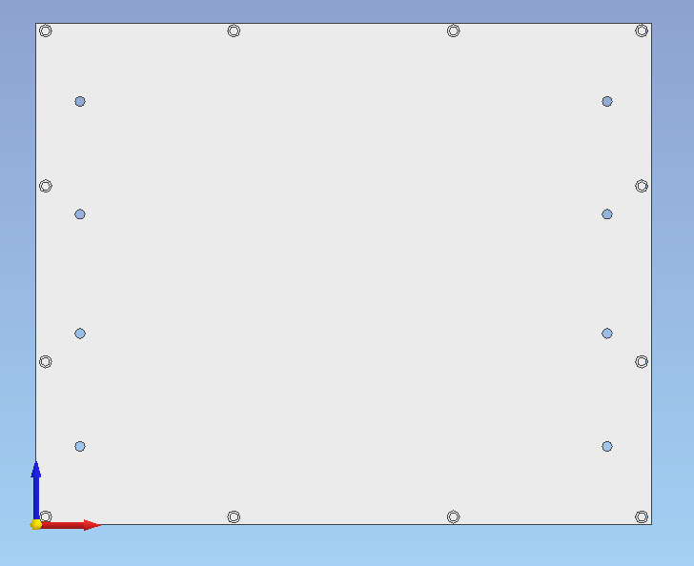

Your front view should look like this. Make sure that your orientation is identical to how it is positioned on the DWG file.

Your origin should be always located at your 3D part. Place it either at the corner of the part or the center

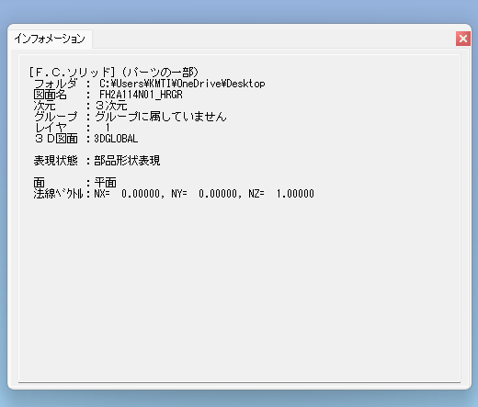
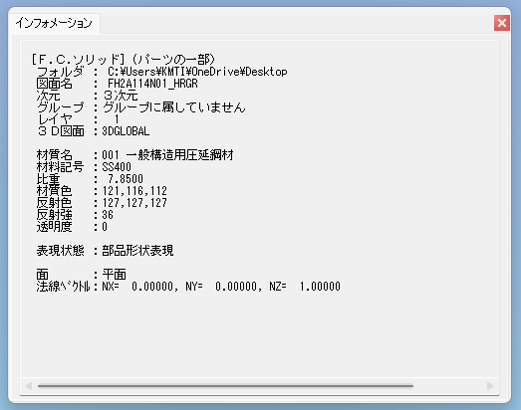

Set the appropriate material based on the drawing.



Make sure to delete all unnecessary lines afterwards.

FH26109N01
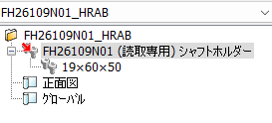

There are some cases where we need to rearrange the 3D part name even though it is written like this on the drawing data. The value should be always arranged from least to highest, ergo it should be 19×50×60.

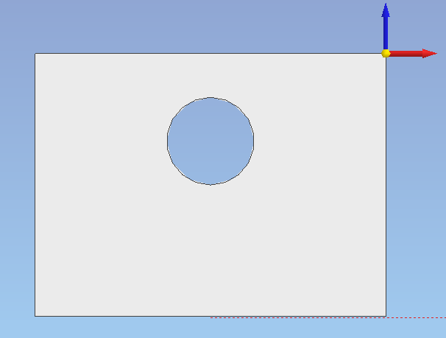

The origin placement here isn't necessarily wrong, but it's much better to put it at the bottom corner or center.

FH26110N01
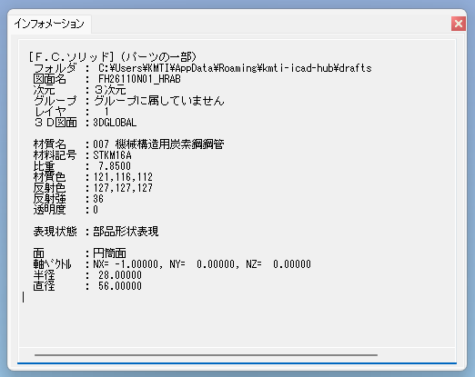

Always check the special notes and apply the appropriate layer.

The view shown on the drawing is only the section of the part.

FH26130N01

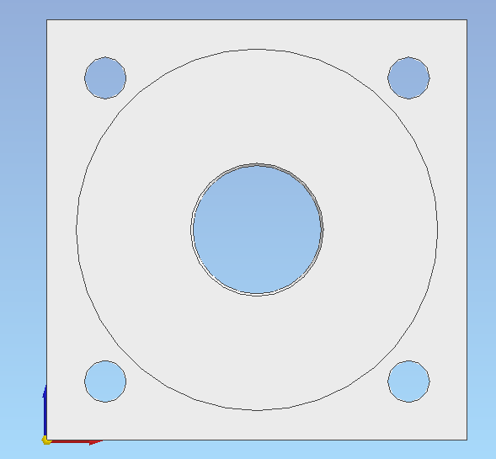

Your front view should look like this.

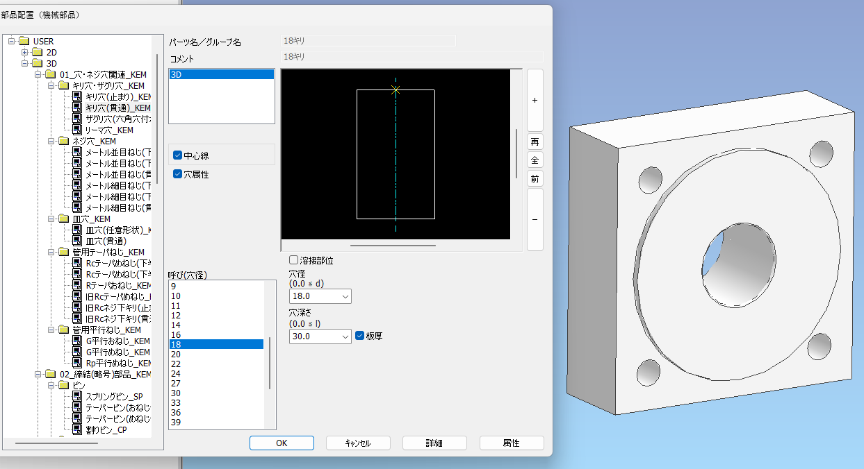
This should be the hole used for this.


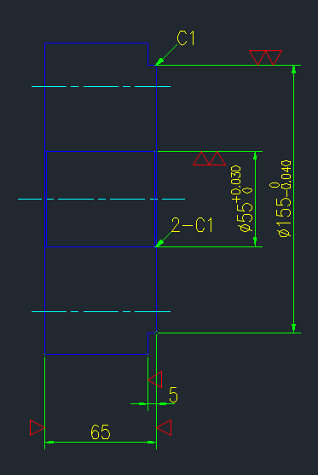

Chamfer missing

FH26132N01
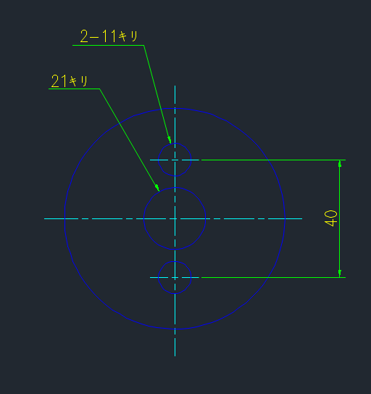

Use the appropriate holes for your 3D

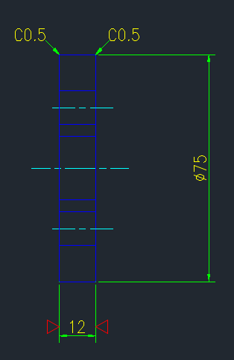

Chamfer missing

M751108A01

When it comes to Round Bar / Cylinder Parts use Batsu (×) instead of Dash (-)

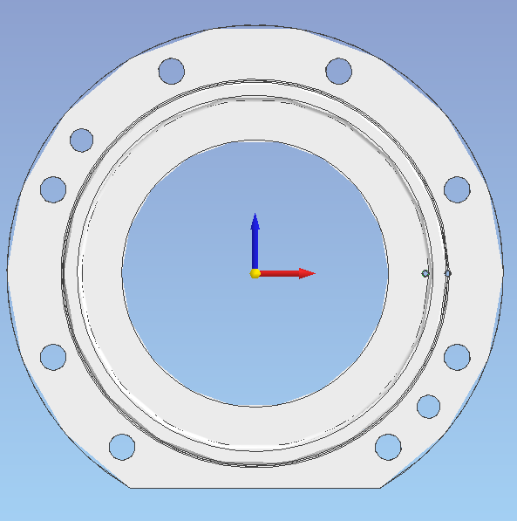
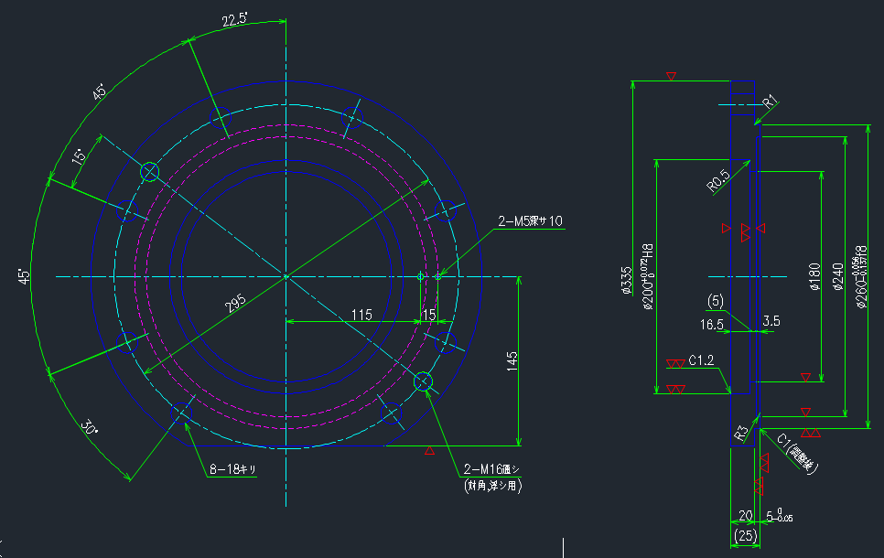

Kindly recheck your orientation

M751126N01
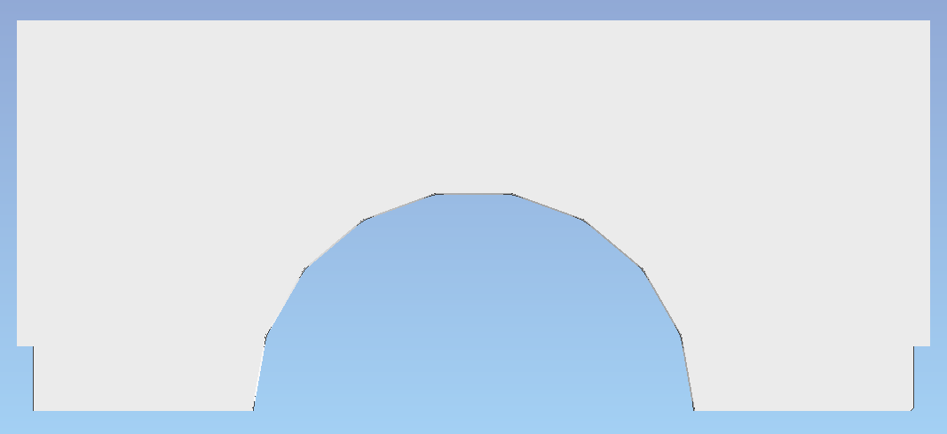
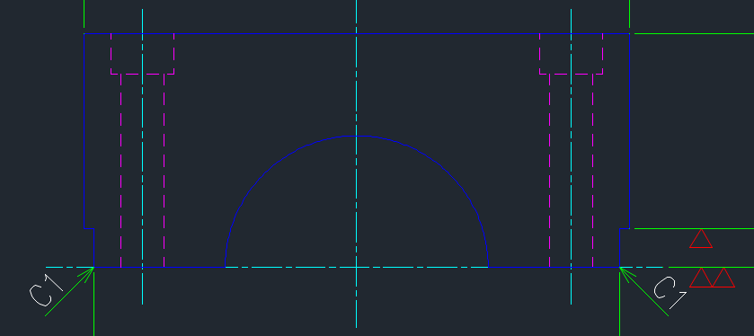

Chamfer missing

M751211N01
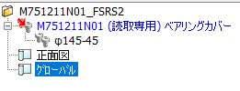

When it comes to Round Bar / Cylinder Parts use Batsu (×) instead of Dash (-)

M751411A01


When it comes to Round Bar / Cylinder Parts use Batsu (×) instead of Dash (-)

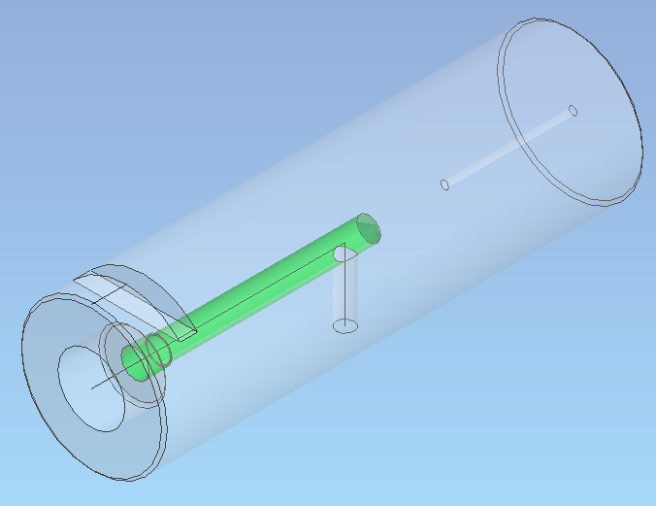

Make sure to delete all unnecessary lines afterwards.

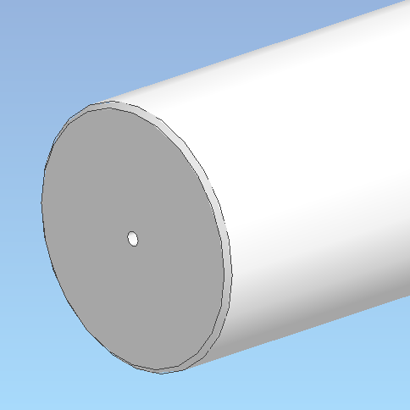
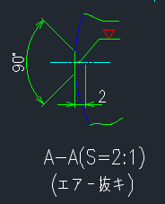

The cut should be here

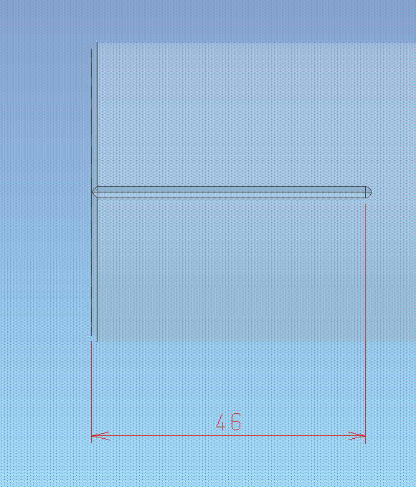
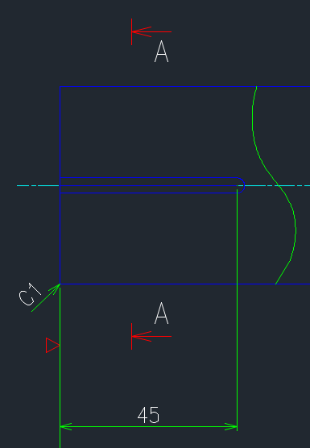

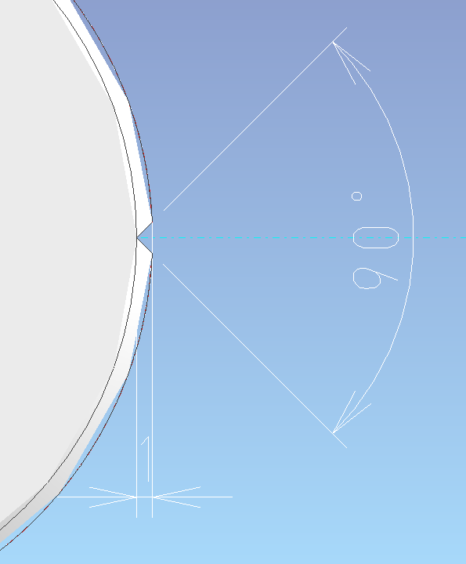
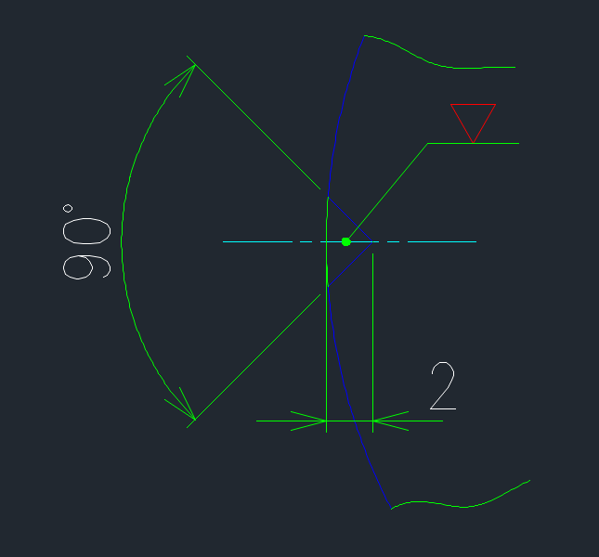

M751418A01
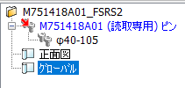

When it comes to Round Bar / Cylinder Parts use Batsu (×) instead of Dash (-)


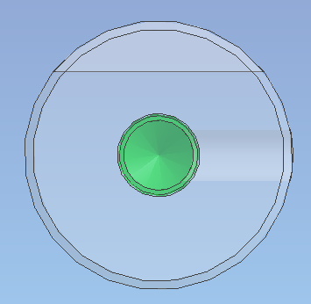
This hole should be on the other side

Set 2
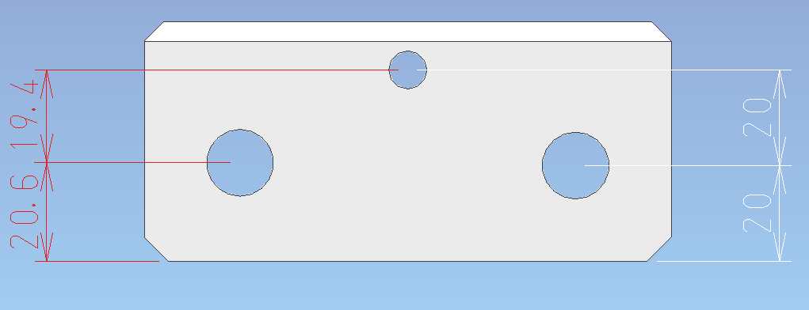
CMB1167N01
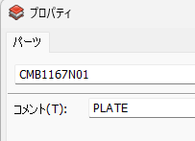

The title should be always in Japanese.

Add this chamfer

CMB3301N01
Double check the special process indicated and update layer and color based on it.

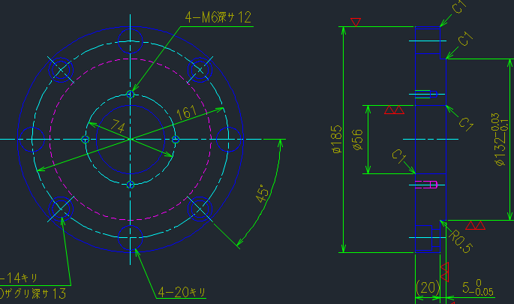
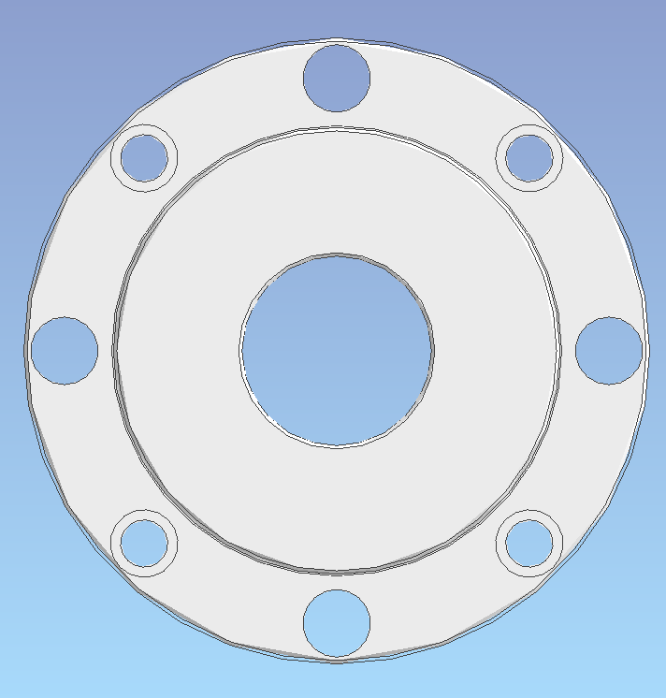

Kindly recheck your orientation

CMB3301N01
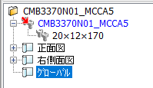

Drawing Name: use DWG No. only

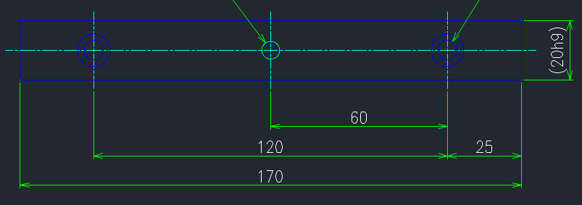

CMB3388N01
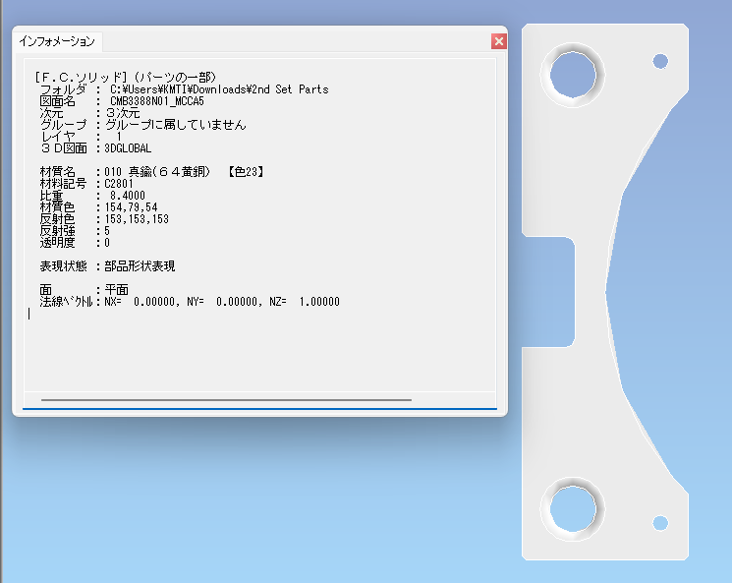

Set the appropriate layer and color

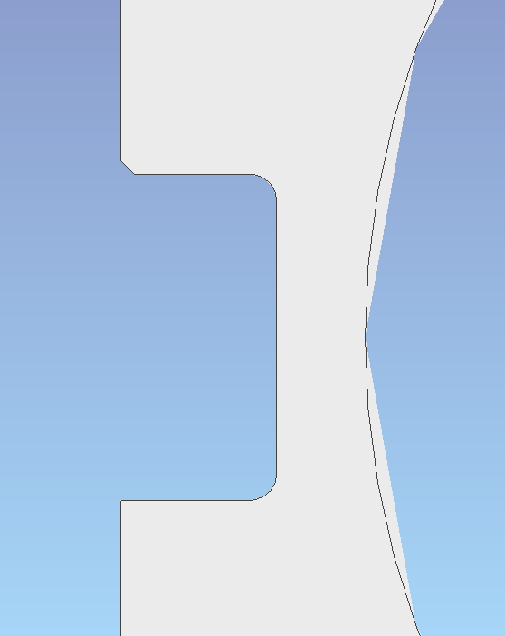

Chamfer missing

CMB3389N01
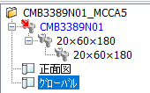

Delete

CMB4282N01

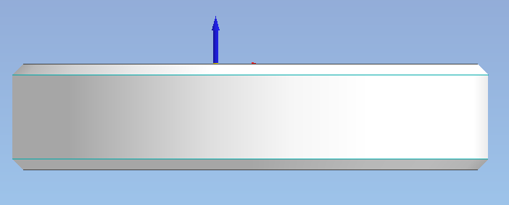

change the orientation

Double check the special process indicated and update layer and color based on it.

CMB4292N01


Double check DWG No.

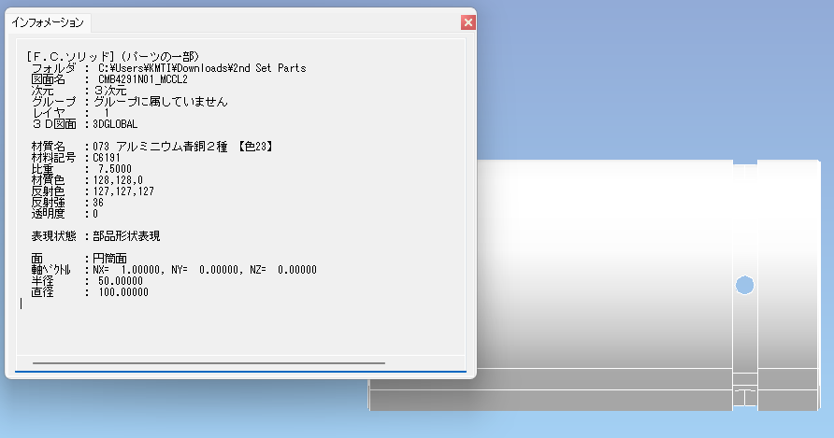

Set the appropriate layer and color

CMB4297N01
Double check the special process indicated and update layer and color based on it.

CMB1162N01
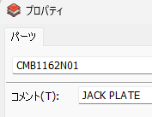

The title should be always in Japanese.

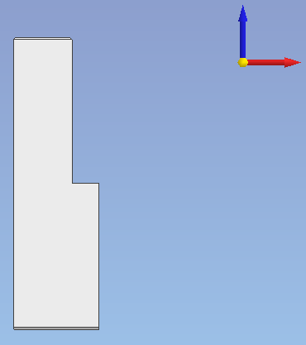

move origin

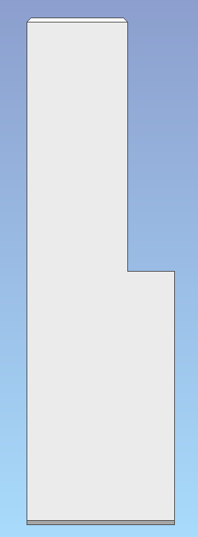
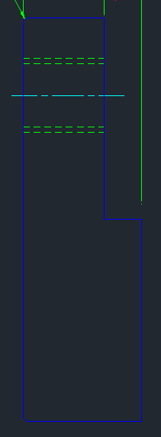

This chamfer should be here

CMB1163N01
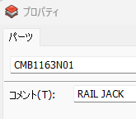

The title should be always in Japanese.

Double check the special process indicated and update layer and color based on it.

Set 3
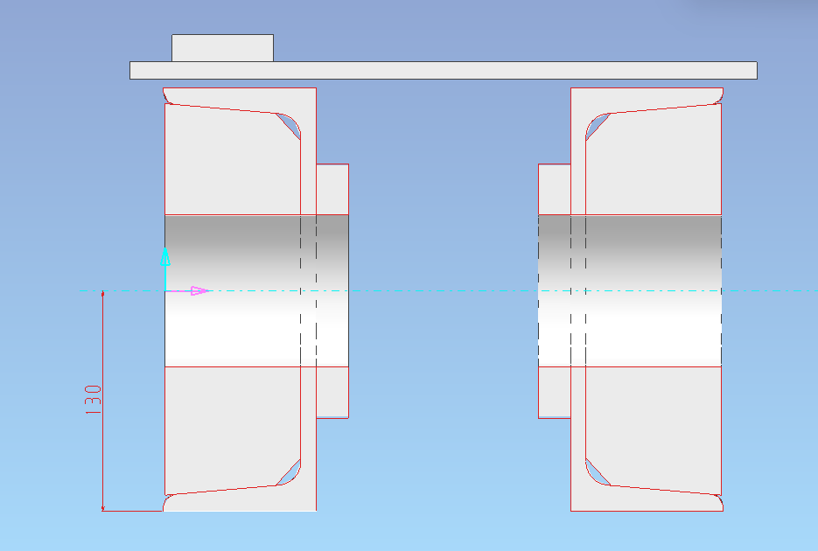
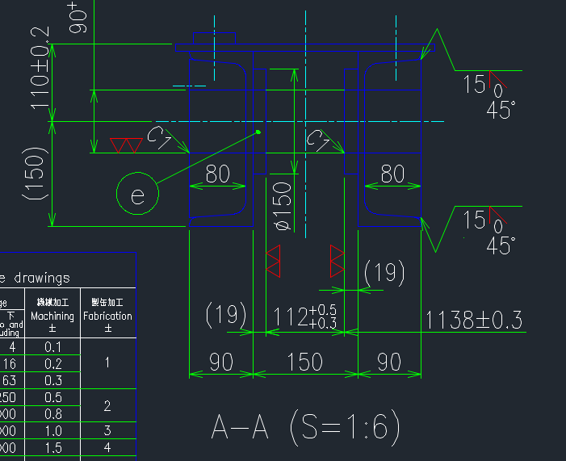
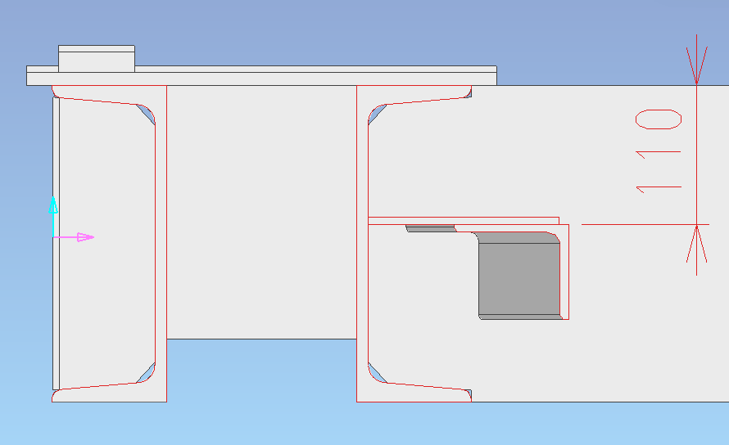
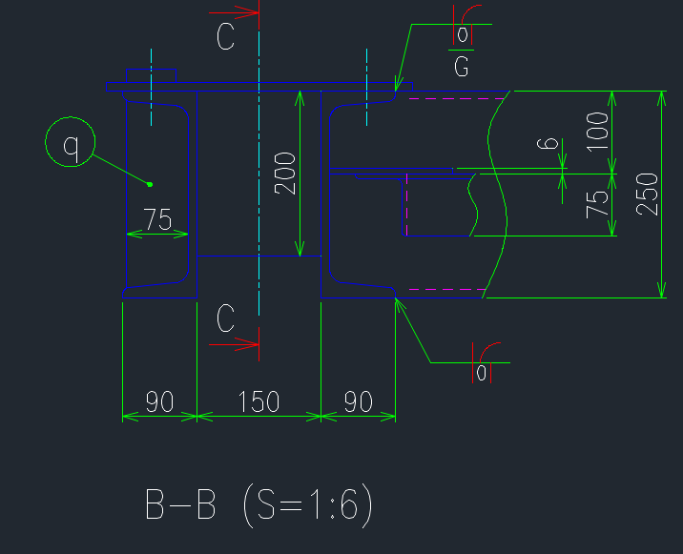
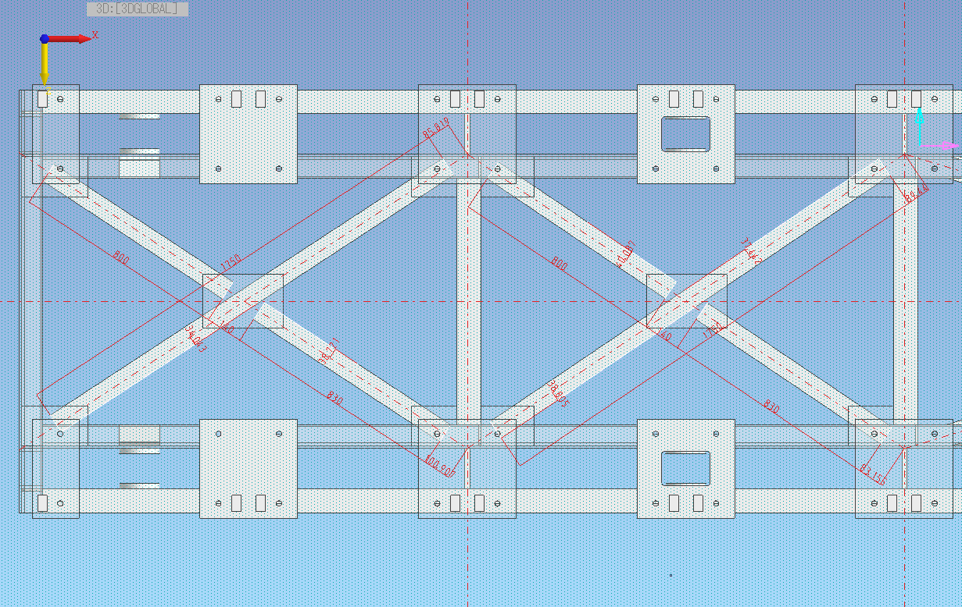
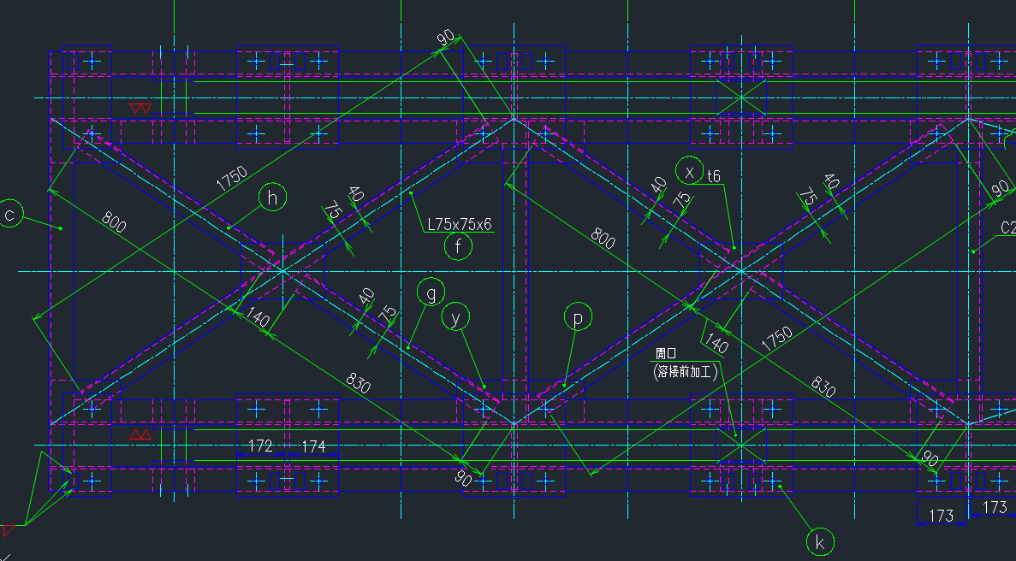

MI51100A01


The quantity displayed on the drawing should also reflect on the tree view

Drawing Name: use DWG No. only

reposition these holes



these plates were offset


Always check for interference. Make sure the 3D model doesn't have interference.

MI51103A01



Delete

double check part name



These plates are considered as two seperate parts.


Double check the 3D model, there are remaining lines




The cutout for this part should look like this




Fix the holes at the C-Channel


Update the dimensions of the hole on the C-Channels


Double check the dimensions of the plates and make sure the hole on the plate is aligned with the hole on the C-Channel








Use chamfer instead of radius


remove unnecessary chamfers

MI51103A01


These plates are considered as two seperate parts.




fix the gap








Fix the holes at the C-Channel

Set 4
CR19299N01




change orientation

CR19404A01 / CR19404B01


change pitch to 2.5

CR19405N01

threaded parts should be color green

CR19406N01


change hole

CR19407N01



all chamfers are in C0.5

CR19412N01


threaded parts should be color green



fix orientation, part is tilted on this view.

CR19061UO1


make sure files on folder 01 and 02 isn't linked.

this part should be in folder 02; remove "_RCGR4"



remove "_RCGR4"
change part title

this is not a purchased part - it's a standard part.

Some purchased parts are not in layer 3



fix the position
 | .

